Ark1
1.iterasjon |  |  |  | Sannsynlighet
 |  | Risiko | Veldig lav | Lav | Middels | Høy | Veldig høy
 |  | Veldig lav
 |  | Lav |  | R7 | R6
 | Alvorlighet | Middels
 |  | Høy |  | R5 | R3
 |  | Veldig høy | R2 | R1, R4

2.iterasjon |  |  |  | Sannsynlighet
 |  | Risiko | Veldig lav | Lav | Middels | Høy | Veldig høy
 |  | Veldig lav
 |  | Lav
 | Alvorlighet | Middels
 |  | Høy
 |  | Veldig høy

3.iterasjon

 |  |  |  | Consequence
 |  | Risk | Insignificant | Minor | Significant | Major | Critical
 |  | Almost certain | 5 | 10 | 15 | 20 | 25 | Risk criteria
 |  | Likely | 4 | 8 | 12 | 16 | 20 | Level | Measure
 | Probability | Moderate | 3 | 6 | 9 | 12 | 15 | High | Unacceptable, and action must be taken immediately.
 |  | Unlikely | 2 | 4 | 6 | 8 | 10 | Medium | We need to implement measures to reduce risk.
 |  | Rare | 1 | 2 | 3 | 4 | 5 | Low | Acceptable, but measures should be taken where feasible
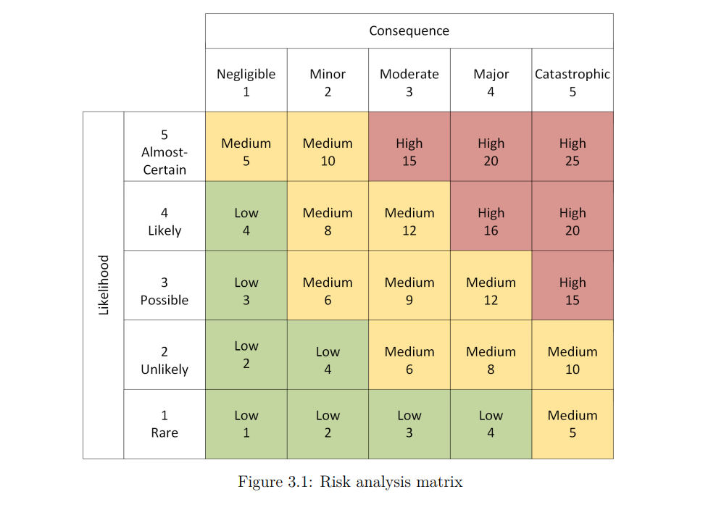

 |  |  |  | Probability
 |  | Risk | Rare | Unlikely | Moderate | Likely | Almost certain
 |  | Insignificant | R6 |  |  |  |  | Risk criteria
 |  | Minor |  | R7 |  |  |  | Level | Measure
 | Consequence | Significant |  |  |  |  |  | High | Unacceptable, and action must be taken immediately.
 |  | Major |  | R5 | R3 |  |  | Medium | We need to implement measures to reduce risk.
 |  | Critical | R2 | R1, R4 |  |  |  | Low | Acceptable, but measures should be taken where feasible

